Sheet1
 | # of segments to make full circle | 12 |  | decimal places | 2
 | inside radius | 30
 | outside radius | 36 | must be same or larger than inside rad.
 | dim a | 1
 | dim b | 1.5

 | total angle of segment | 30 |  | angle each side | 15
 | inside length | 14.75
 | outside length | 19.83
 | width of segment | 9.47
 | dim c | 2.31
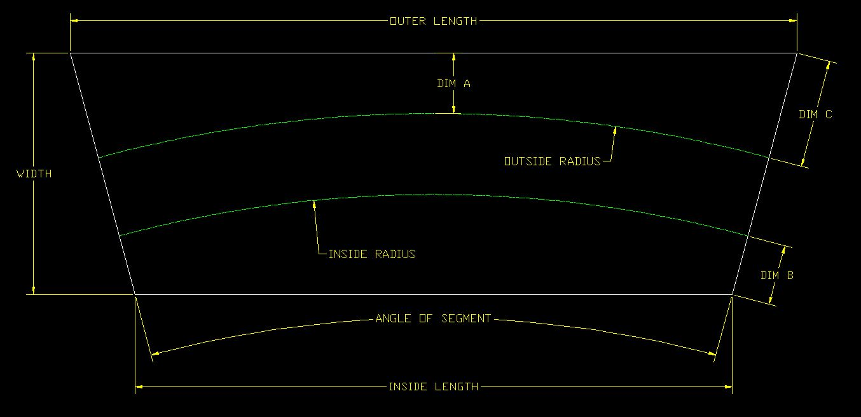

1
2
3
4

