Summary
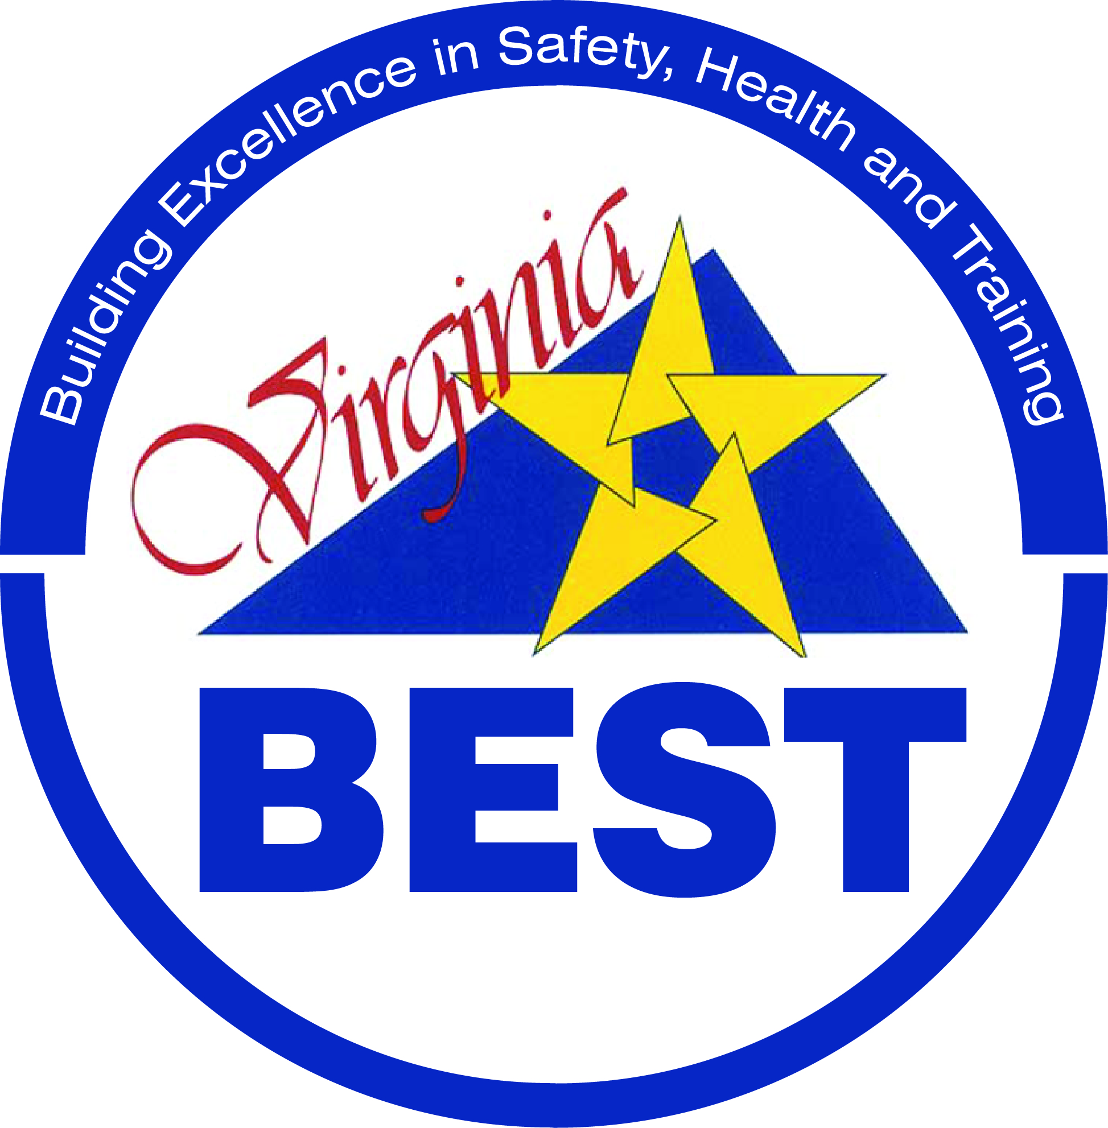
Participant Name

SHMS Elements | Total Score | % of Maximum
Management Leadership and Employee Involvement | 0 | 0%
Worksite Analysis | 0 | 0%
Hazard Prevention and Control | 0 | 0%
Safety and Health Training | 0 | 0%
Documentation

Virginia BEST Levels are determined by the % of Maximum Score.

Level 1 completion requires a score of at least 33% on all 4 SHMS Elements plus all of the Column 1 Documentation.
Level 2 completion requires a score of at least 67% on all 4 SHMS Elements plus all of the Column 1 and Column 2 Documentation.
Level 3 completion requires a score of 100% on all 4 SHMS Elements plus all of the Column 1, 2, and 3 Documentation.

